Input
 | Inch
O.C. | 48 |  |  |  |  |  | Center
O.C left over | 22.5
Wood Stud Width | 1.5
Wall Height | 204
Number of Intermediate sections | 5

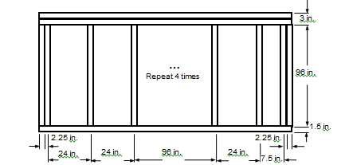
Center | Inch |  | End1 | Inch | End2 | Inch
Sill | 1.5 |  | Sill | 1.5 | Sill | 1.5
Head | 3 |  | Head | 3 | Head | 3
Jamb-L | 0.75 |  | Jamb-L | 1.5 | Jamb-L | 0.75
Jamb-R | 0.75 |  | Jamb-R | 0.75 | Jamb-R | 1.5

KWALL - Middle

 |  | IP [Btu/hr-ft2-F]

 | Frame | Edge | Center
Hor-Intermediate | 0.0068 | 0.0212 | 0.0192
Hor-End1 | 0.0068 | 0.0212
Hor-End2 | 0.0068 | 0.0212
Ver-Head | 0.0370 | 0.0247
Ver-Sill | 0.0115 | 0.0039

 | SI [W/m2-k]

 | Frame | Edge | Center
Hor-Intermediate | 0.0386 | 0.1203 | 0.1091
Hor-End1 | 0.0386 | 0.1203
Hor-End2 | 0.0386 | 0.1203
Ver-Head | 0.21 | 0.1402
Ver-Sill | 0.0655 | 0.0223

